Instructions
SQF Internal Audit Checklist
This template helps FSQA teams run certification-grade internal audits for SQF Edition 9 (Module 2 & 11).
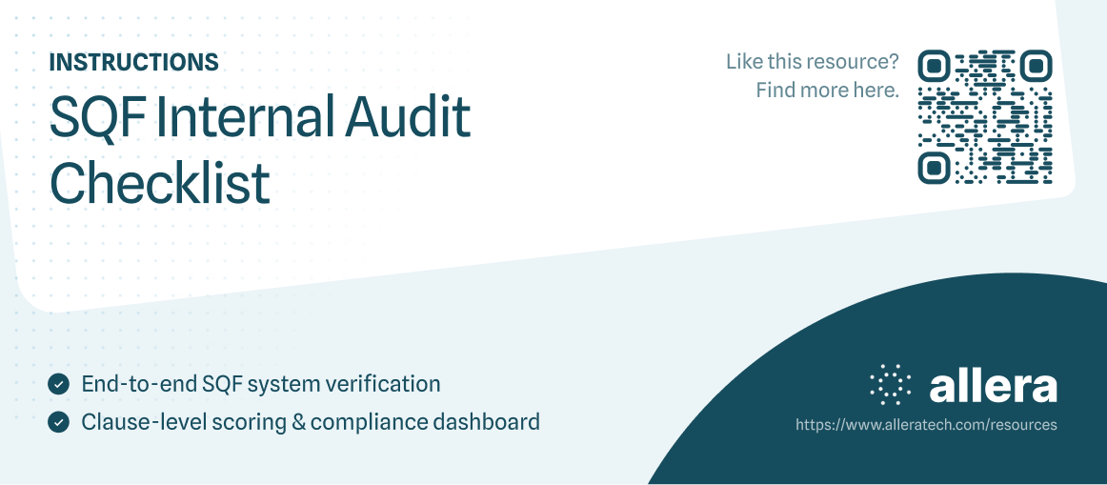

How to use this template:

Fill Out Audit Info
Start on the Audit Info tab and enter your facility details, audit scope, dates, and auditor.

Complete the Checklists
Go to Module 2 – System and Module 11 – GMP.

For each line:
• Select a Status (C, MIN, MAJ, CRIT, N/A)
• Select an Evidence Type (R, D, O, I)
• Write brief Evidence / Observations
• If not compliant, select a Root Cause

Log Non-Conformances
Record all MIN / MAJ / CRIT items in the Non-Conformance Log and track CAPAs.

Review the Dashboard
Open the Dashboard tab to see overall compliance, gaps, and GMP risk areas. Charts update automatically.

Use Example Tabs
The (EXAMPLE) sheets show a completed audit so you can see how entries and dashboards should look. Use them as a reference or for training.

Dashboard
 | SQF Internal Audit Dashboard

Overall Status Distribution
Module 2: Where Are Our Gaps? (NC Count)
Module 2: % Compliant by Section
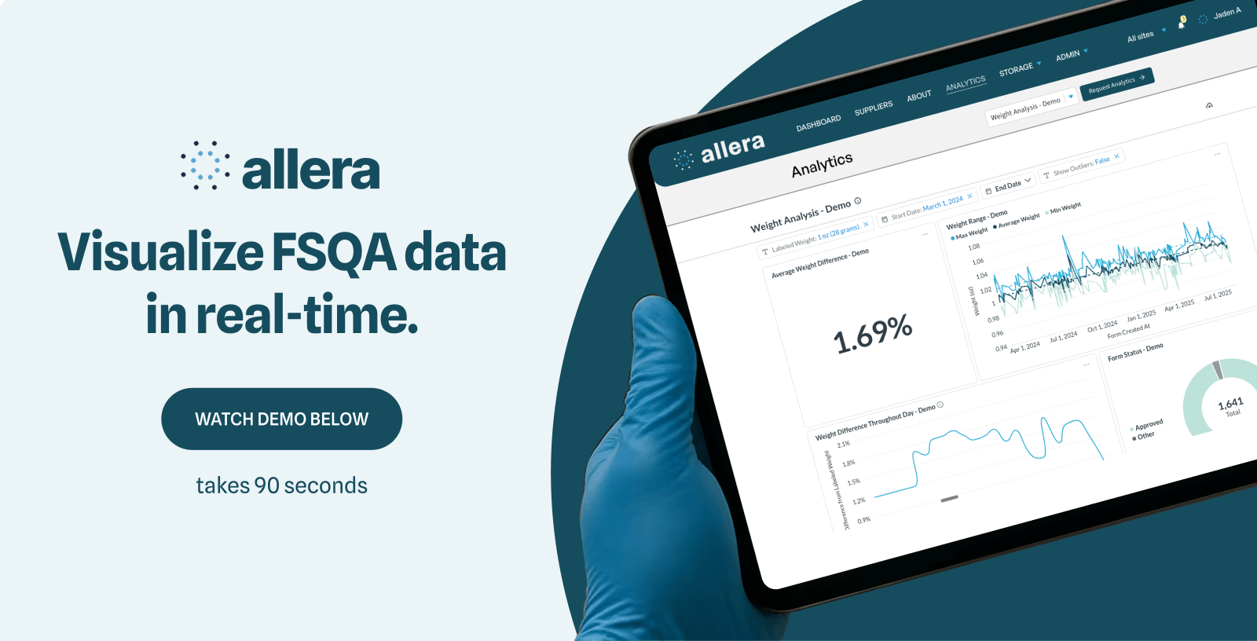

Module 11: Where Are Our GMP Gaps? (NC Count)
Module 11: % Compliant by GMP Area

 |  |  |  |  |  |  | Click to watch Demo Video (60 seconds)
 |  |  |  |  |  |  | Schedule a 1 on demo here: Schedule on Calendly

 | SQF Internal Audit Dashboard (Dynamic)

Column 3 | Overall Status Distribution | Column 1 | Module 2 Compliance by Section (% C of (C+NC)) | Column 1 | Column 2 | Module 11 GMP Compliance by Area (% C of (C+NC)) | Column 1 | Column 2
 | Status | Count | Section | % Compliant | NC Count | GMP Area | % Compliant | NC Count
 | C | 0 | 2.1 Management Commitment | 0% | 0 | Site & premises | 0% | 0
 | MIN | 0 | 2.2 Document Control & Records | 0% | 0 | Personnel hygiene | 0% | 0
 | MAJ | 0 | 2.3 Specifications & Supplier Management | 0% | 0 | Water / Air / Ice | 0% | 0
 | CRIT | 0 | 2.4 Food Safety System (HACCP) | 0% | 0 | Cleaning & sanitation | 0% | 0
 | N/A | 39 | 2.5 Verification, Validation & Improvement | 0% | 0 | Pest control | 0% | 0
 |  |  | 2.6 Traceability & Recall | 0% | 0 | Equipment & maintenance | 0% | 0
 | Total Items Audited (non-blank status) | 41 | 2.7 Customer Complaints & CAPA | 0% | 0 | Calibration | 0% | 0
 | % Compliant (C / (C+NC)) | 0% | 2.8 Food Defense & Food Fraud | 0% | 0 | Glass & brittle plastics | 0% | 0
 |  |  | 2.9 Training | 0% | 0 | Foreign material control | 0% | 0
 | Non-Conformances (MIN+MAJ+CRIT) | 0 |  |  |  | Allergen management | 0% | 0
 |  |  |  |  |  | Chemical control | 0% | 0
 |  |  |  |  |  | Waste management | 0% | 0
 |  |  |  |  |  | Rework | 0% | 0
 |  |  |  |  |  | Storage & transport | 0% | 0
 |  |  |  |  |  | Product release | 0% | 0
 |  |  |  |  |  | Labeling & verification | 0% | 0
 |  |  |  |  |  | Environmental monitoring | 0% | 0

Module 2 - System
Clause | Section | Requirement | Status | Evidence Type | Observations | Root Cause
2.1.1.1 | 2.1 Management Commitment | Senior management commitment | N/A
2.1.1.2 | 2.1 Management Commitment | Food safety policy | N/A
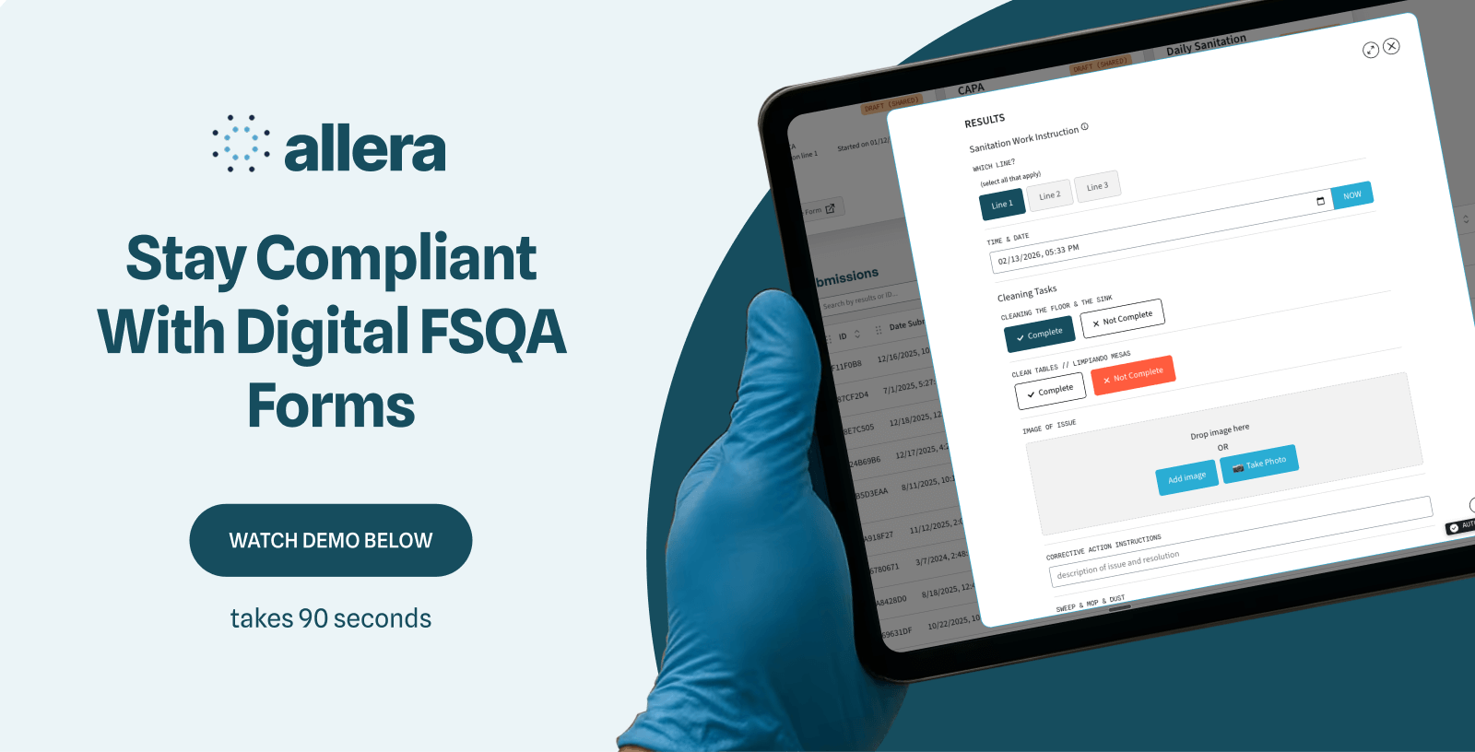
2.1.1.3 | 2.1 Management Commitment | Org responsibilities | N/A
2.1.1.4 | 2.1 Management Commitment | SQF practitioner | N/A
2.2.1.1 | 2.2 Document Control & Records | Document control | N/A
2.2.1.2 | 2.2 Document Control & Records | Version control | N/A
2.2.2.1 | 2.2 Document Control & Records | Record control | N/A
2.2.2.2 | 2.2 Document Control & Records | Record retention | N/A
2.3.1.1 | 2.3 Specifications & Supplier Management | Specifications | N/A
2.3.2.1 | 2.3 Specifications & Supplier Management | Supplier approval | N/A
2.3.2.2 | 2.3 Specifications & Supplier Management | Supplier verification | N/A
2.3.2.3 | 2.3 Specifications & Supplier Management | Supplier risk | N/A
2.4.1.1 | 2.4 Food Safety System (HACCP) | HACCP team | N/A
2.4.2.1 | 2.4 Food Safety System (HACCP) | Product description | N/A
2.4.3.1 | 2.4 Food Safety System (HACCP) | Flow diagram | N/A
2.4.3.2 | 2.4 Food Safety System (HACCP) | Hazard analysis | N/A
2.4.3.3 | 2.4 Food Safety System (HACCP) | CCPs | N/A
2.4.3.4 | 2.4 Food Safety System (HACCP) | Monitoring | N/A |  |  |  | Click to watch Demo Video (60 seconds)
2.4.3.5 | 2.4 Food Safety System (HACCP) | Corrective actions | N/A |  |  |  | Schedule a 1 on demo here: Schedule on Calendly
2.4.3.6 | 2.4 Food Safety System (HACCP) | Verification/validation | N/A
2.5.1.1 | 2.5 Verification, Validation & Improvement | Verification program | N/A
2.5.1.2 | 2.5 Verification, Validation & Improvement | Validation | N/A
2.5.4.1 | 2.5 Verification, Validation & Improvement | Internal audits | N/A
2.5.4.2 | 2.5 Verification, Validation & Improvement | Full coverage | N/A
2.5.5.1 | 2.5 Verification, Validation & Improvement | Management review | N/A
2.6.1.1 | 2.6 Traceability & Recall | Traceability | N/A
2.6.1.2 | 2.6 Traceability & Recall | 4-hour trace | N/A
2.6.2.1 | 2.6 Traceability & Recall | Recall procedure | N/A
2.6.2.2 | 2.6 Traceability & Recall | Mock recall | N/A
2.7.1.1 | 2.7 Customer Complaints & CAPA | Complaints procedure | N/A
2.7.2.1 | 2.7 Customer Complaints & CAPA | Complaint trending | N/A
2.7.3.1 | 2.7 Customer Complaints & CAPA | CAPA | N/A
2.8.1.1 | 2.8 Food Defense & Food Fraud | Food defense plan | N/A
2.8.1.2 | 2.8 Food Defense & Food Fraud | Defense vulnerability | N/A
2.8.2.1 | 2.8 Food Defense & Food Fraud | Food fraud risk | N/A
2.8.2.2 | 2.8 Food Defense & Food Fraud | Fraud mitigation | N/A
2.9.1.1 | 2.9 Training | Training program | N/A
2.9.2.1 | 2.9 Training | Job training | N/A
2.9.2.2 | 2.9 Training | Training effectiveness | N/A

(EXAMPLE) Dashboard
SQF Internal Audit Dashboard Example

Overall Status Distribution
Module 2: Where Are Our Gaps? (NC Count)
Module 2: % Compliant by Section

Module 11: Where Are Our GMP Gaps? (NC Count)
Module 11: % Compliant by GMP Area

 |  |  |  |  |  |  |  | Click to watch Demo Video (60 seconds)
 |  |  |  |  |  |  |  | Schedule a 1 on demo here: Schedule on Calendly

SQF Internal Audit Dashboard (Dynamic)

Overall Status Distribution | Column 1 | Module 2 Compliance by Section (% C of (C+NC)) | Column 1 | Column 2 | Module 11 GMP Compliance by Area (% C of (C+NC)) | Column 1 | Column 2
Status | Count | Section | % Compliant | NC Count | GMP Area | % Compliant | NC Count
C | 32 | 2.1 Management Commitment | 75% | 1 | Site & premises | 0% | 1
MIN | 13 | 2.2 Document Control & Records | 75% | 1 | Personnel hygiene | 100% | 0
MAJ | 10 | 2.3 Specifications & Supplier Management | 33% | 2 | Water / Air / Ice | 0% | 1
CRIT | 0 | 2.4 Food Safety System (HACCP) | 75% | 2 | Cleaning & sanitation | 0% | 1
N/A | 1 | 2.5 Verification, Validation & Improvement | 100% | 0 | Pest control | 0% | 1
 |  | 2.6 Traceability & Recall | 25% | 3 | Equipment & maintenance | 100% | 0
Total Items Audited (non-blank status) | 58 | 2.7 Customer Complaints & CAPA | 67% | 1 | Calibration | 0% | 1
% Compliant (C / (C+NC)) | 58% | 2.8 Food Defense & Food Fraud | 75% | 1 | Glass & brittle plastics | 0% | 1
 |  | 2.9 Training | 67% | 1 | Foreign material control | 0% | 1
Non-Conformances (MIN+MAJ+CRIT) | 23 |  |  |  | Allergen management | 0% | 1
 |  |  |  |  | Chemical control | 0% | 1
 |  |  |  |  | Waste management | 0% | 1
 |  |  |  |  | Rework | 100% | 0
 |  |  |  |  | Storage & transport | 100% | 0
 |  |  |  |  | Product release | 100% | 0
 |  |  |  |  | Labeling & verification | 100% | 0
 |  |  |  |  | Environmental monitoring | 0% | 1

